Home
Index for Risk Management (InfoRM) - SAHEL
(release: 5 November 2015 v 2.0.3)

(table of contents)
CONCEPT AND METHODOLOGY
The InfoRM initiative began in 2012 as a convergence of interests of UN agencies, donors, NGOs and research institutions to establish a common evidence-base for global humanitarian risk analysis. InfoRM identifies the countries at a high risk of humanitarian crisis that are more likely to require international assistance. The InfoRM model is based on risk concepts published in scientific literature and envisages three dimensions of risk: Hazards & Exposure, Vulnerability and Lack of Coping Capacity. The InfoRM model is split into different levels to provide a quick overview of the underlying factors leading to humanitarian risk. The InfoRM index supports a proactive crisis management framework. It will be helpful for an objective allocation of resources for disaster management as well as for coordinated actions focused on anticipating, mitigating, and preparing for humanitarian emergencies.

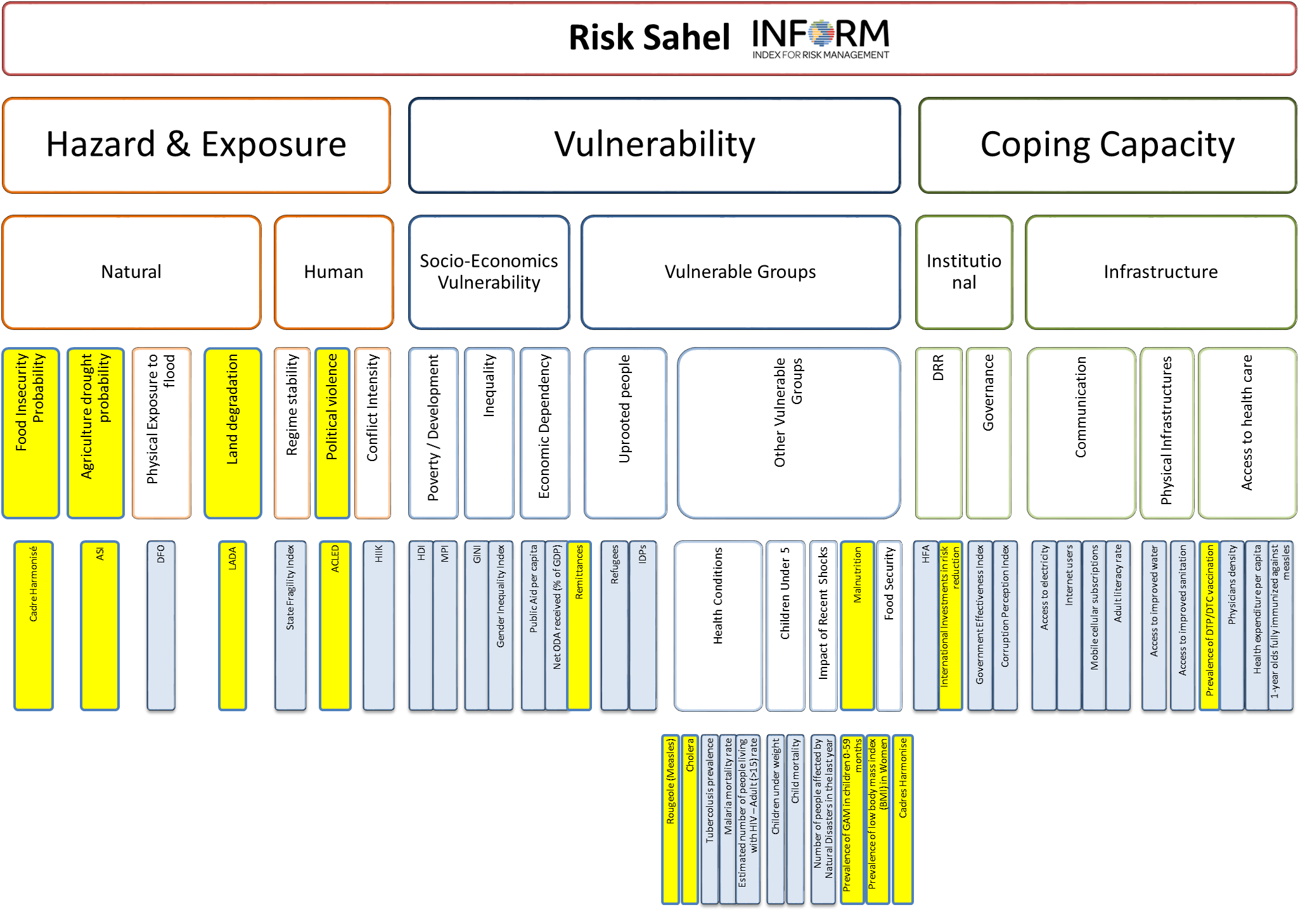
Disclaimer The depiction and use of geographic names and related data included in lists, tables on this spreadsheet are not warranted to be error free nor do they necessarily imply official endorsement or acceptance by the United Nations.
For further information:
http://www.inform-index.org/sahel/

Previous Releases:

